Hiearchy View
CLASS: RAMP METERING BASE
traffic management strategy used to regulate the flow of traffic entering the freeway during peak traffic periods. |  | 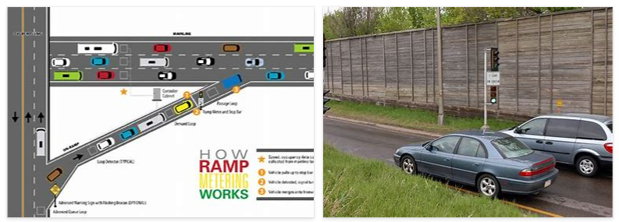
REMOVE | N

PROBLEM_DESC | CAUSE_DESC | REMEDY_DESC
BROKEN/DAMAGED
LEAKING
OTHER PROBLEM
OVERHEATING
POWER-ELEC
STOPPED/SLOWED/POOR OPS
TEMP-CTRL
Grand Total

